Defect Report
Bug ID | ModuleName | Build No | Description | TCID | Steps to replicate bug | Screenshot | Sevirity | Priority | Reported By | Assigned to
MYTATACLIQ-MY TATA CLIQ OFFERINGS_01 | TataCliq_My Tata Cliq Offerings | 1 | Users should be getting all departments but Users get only the Footwear department in the sitemap. | TC_16 | 1. Launch the browser 2. Open the URL of Tata Cliq 3. Click on the My tata click offering in the footer page of the home page 3. Click on the SITEMAP. | 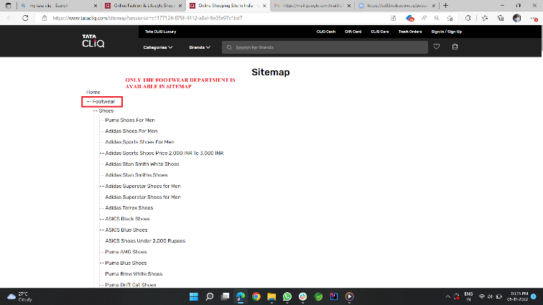 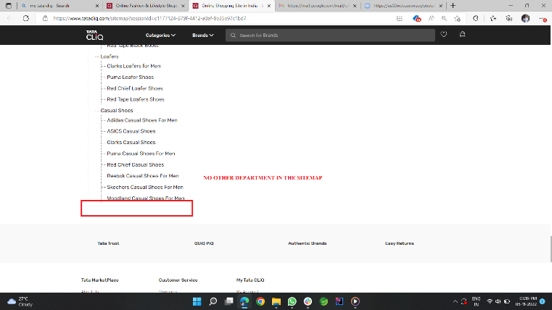 | S3 | P2 | Suresh Talakal | Thiru

